dashboard
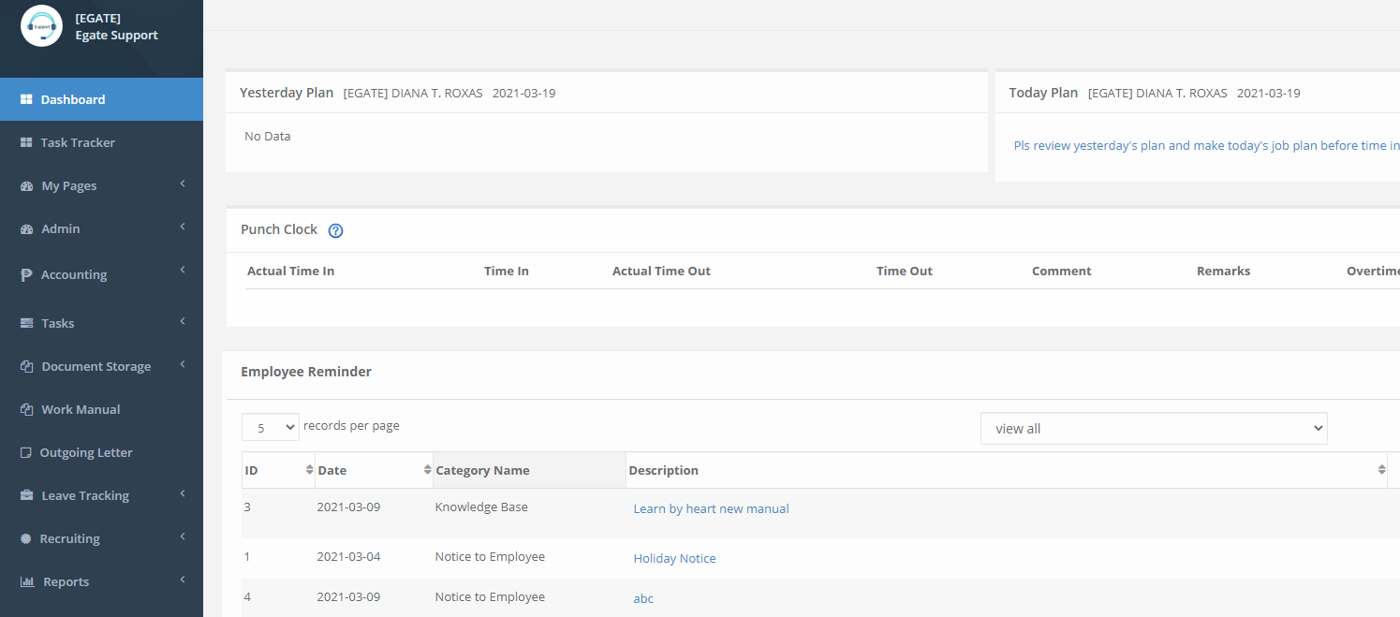

we will be adding hover texts each -> Description

hover to label text -> Display description hover text
Description | This is a list of all new task plan, it is important to create a new plan first to
 | generate the Punch clock function.

Description | This is the monitoring of work time in and out for todays work accomplished plan
 | You need to create todays task list first to enable the Time In process

Description
 | This was all the list of all the reminder to all employees with its specific description
 | you can view all the list of employee reminder by category list and description

Description | This was all the list of Leave request that is subject for approval, you need to
 | register all the leave here so the request will be valid

